サンプル製品カタログ
 |  | ITEM
NAME | color |  | lady's or men's | WOVEN or KNIT | picture | Composition | packingNo.
24A-JK01 sample | C/#white | men's nylon coat SAMPLE CLOTHES | men's | WOVEN FABRIC | 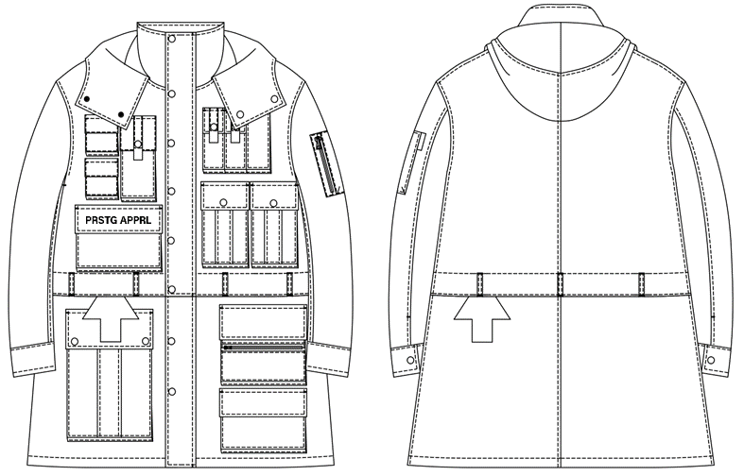 | FRONT nylon100% LINING polyester 100% | 58
24A-JK02 sample | C/#black | men's nylon vest SAMPLE CLOTHES | men's | WOVEN FABRIC | 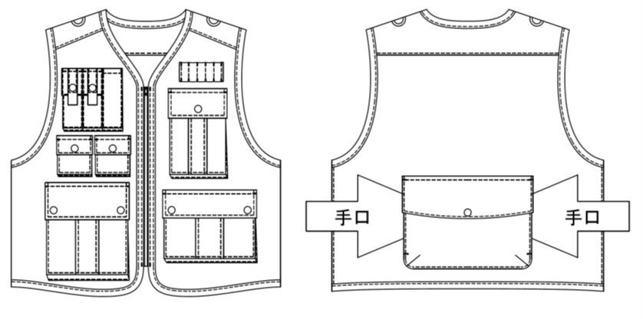 | nylon 100%
24A-CS01 sample | C/#gray | men's zip parker SAMPLE CLOTHES | men's | KNIT FABRIC | 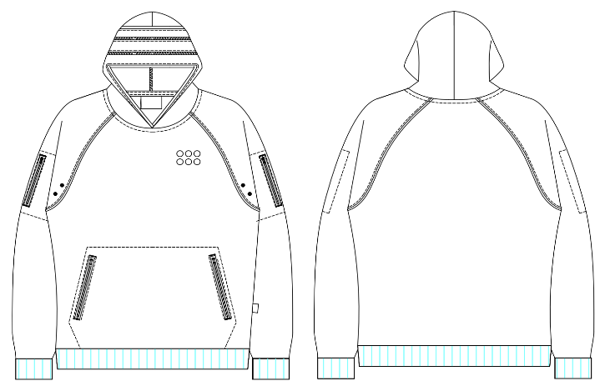 | COTTON 100%
21SY-60 sample | C/#yellow | men's parker SAMPLE CLOTHES | men's | KNIT FABRIC | 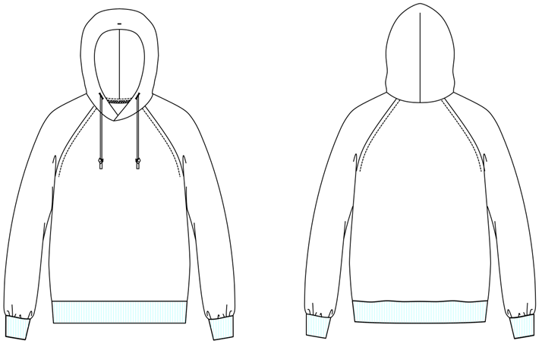 | COTTON 100%
24A-CS02 sample | C/＃beige | men's quilting tops SAMPLE CLOTHES | men's | WOVEN FABRIC | 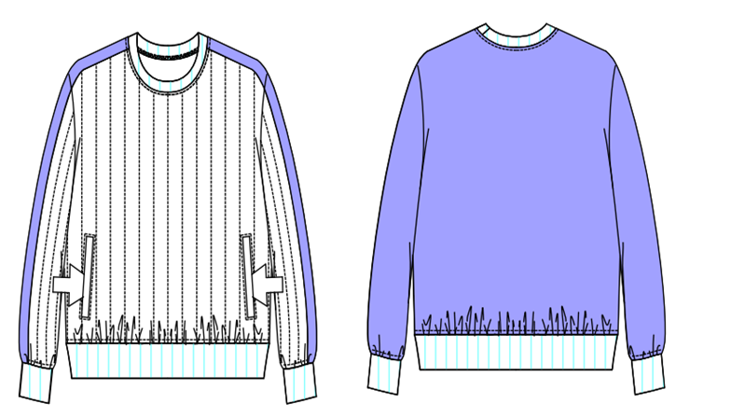 | FRONT COTTON 63% NYLON 37% LINING COTTON 100%
24A-SH01 sample | C/#white | men's pocket shirt SAMPLE CLOTHES | men's | WOVEN FABRIC | 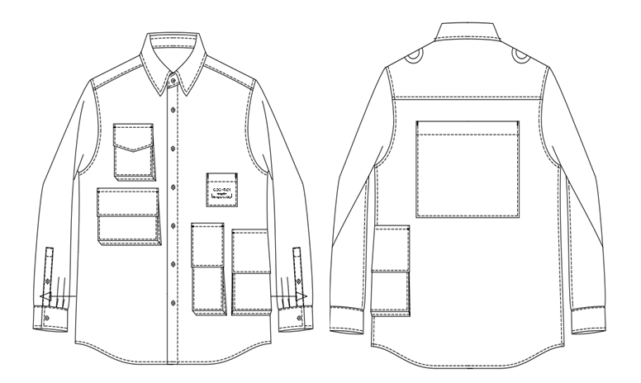 | COTTON100%
24A-PT01 sample | C/＃silver | men's satin pants CLOTHES | men's | WOVEN FABRIC | 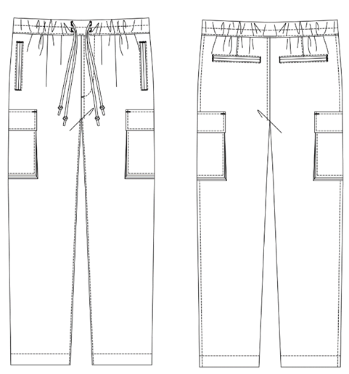 | FRONT ACETATE100% LINING POLYESTER 100%
24A-PT02 sample | C/#silver | men's survival satin pants SAMPLE CLOTHES | men's | WOVEN FABRIC | 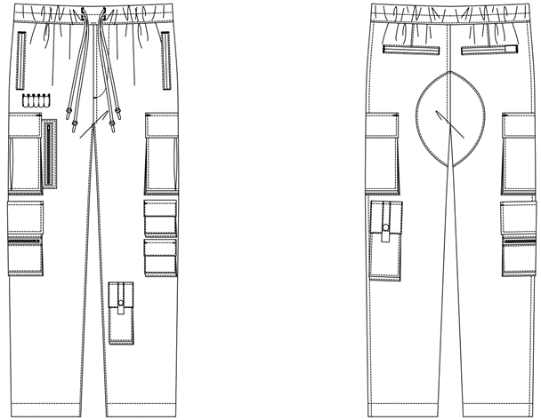 | FRONT ACETATE100% LINING POLYESTER 100%

